Dashboard
Understanding Springfield
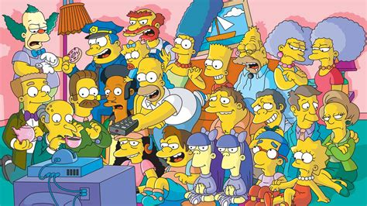
Raw Data
Descriptives
Histogram
Pivot tables
Boxplots and T-Tests
Linear Regression
OR and RR

Logistic Regression
Survival Analysis

Descriptives

What do some of these behaviours in Springfield look like? |  |  |  |  |  |  | Home
Look at the formulae in the filled cells. Try to complete the rest.
Some Descriptives
 | Sleep_hours | Duff_beers | Cigarettes_per_day | Donuts_per_day | Work_ethic | Anger_level
Mean | 6.24
Median | 6
SD | 1.5059067375
Min | 4
Max | 9

Correlations
Duff v Cigarettes | 0.78602125547
Duff v Sleep

ToolPak
Data → Data Analysis → Descriptive Statistics
Tick Summary statistics

Histogram
How are some of these behaviours distributed? | Home


1. Insert > chart > histogram.
2. Select data > any column in raw_data.
3. Set the bin width.
4. Explore formatting options.
5. Describe the shape.

Pivot_Tables
How to quickly compare groups? | Home


1. Create a Smoker_Level column in the raw data (see how Duff_level was made).
2. Insert a pivot table (this will create a new worksheet…that is okay).
3. Set a categorical variable as a group.
4. Set a continuous variable as values = average Productivity, average Sleep, average Duff.
5. Explore.

Linear_Regression
How are these behaviours associated with productivity? | Home


1. Insert > chart > scatter.
2. Select data > choose variables from raw_data (hold cmd/ctrl to select non-adjacent columns).
3. Add a trendline (chart elements). Use slope, intercept and Rsq to summarise the line.
4. Explore formatting options.
5. Describe the shape.

Doughnut Consumption vs Productivity
 | Productivity_score
8 | 30
0 | 83
9 | 36
2 | 97
0 | 98
3 | 55
1 | 63
1 | 91
2 | 98
1 | 84
2 | 85
2 | 82
4 | 61
7 | 31
3 | 36
0 | 89
4 | 30
7 | 34
2 | 60
4 | 27
1 | 96
2 | 97
0 | 91
4 | 69
4 | 67
2 | 89
2 | 61
3 | 59
1 | 67
0 | 91
4 | 65
3 | 62
7 | 30
8 | 54
7 | 30
2 | 93
4 | 80
4 | 55
2 | 95
6 | 35
6 | 31
2 | 62
5 | 30
2 | 62
11 | 45
5 | 65
1 | 92
3 | 66
11 | 29
1 | 97

ToolPak
Data → Data Analysis → Regressions
Select Y, then all for X (need to be contiguous)

OR_RR

What are the risks, and odds, of getting fired? |  |  |  |  |  |  |  | Home
Look at the formulae in the filled cells. Try to compile your own 2x2.

Group | Fired | Not Fired | Total | Group | Outcome | Not | Total
Duff >=3 | 19 | 1 | 20 | Category |  |  | 0
Other | 9 | 21 | 30 | Other |  |  | 0
Total | 28 | 22 | 50 | Total | 0 | 0 | 0

Risks |  | Odds |  | Risks |  | Odds
Duff >=3 | 1.0 | Duff >=3 | 19.0 | Category | #DIV/0! | Category | #DIV/0!
Other | 0.3 | Other | 0.4 | Other | #DIV/0! | Other | #DIV/0!
RR | 3.2 | OR | 44.3 | RR | #DIV/0! | OR | #DIV/0!

Logistic_Regression
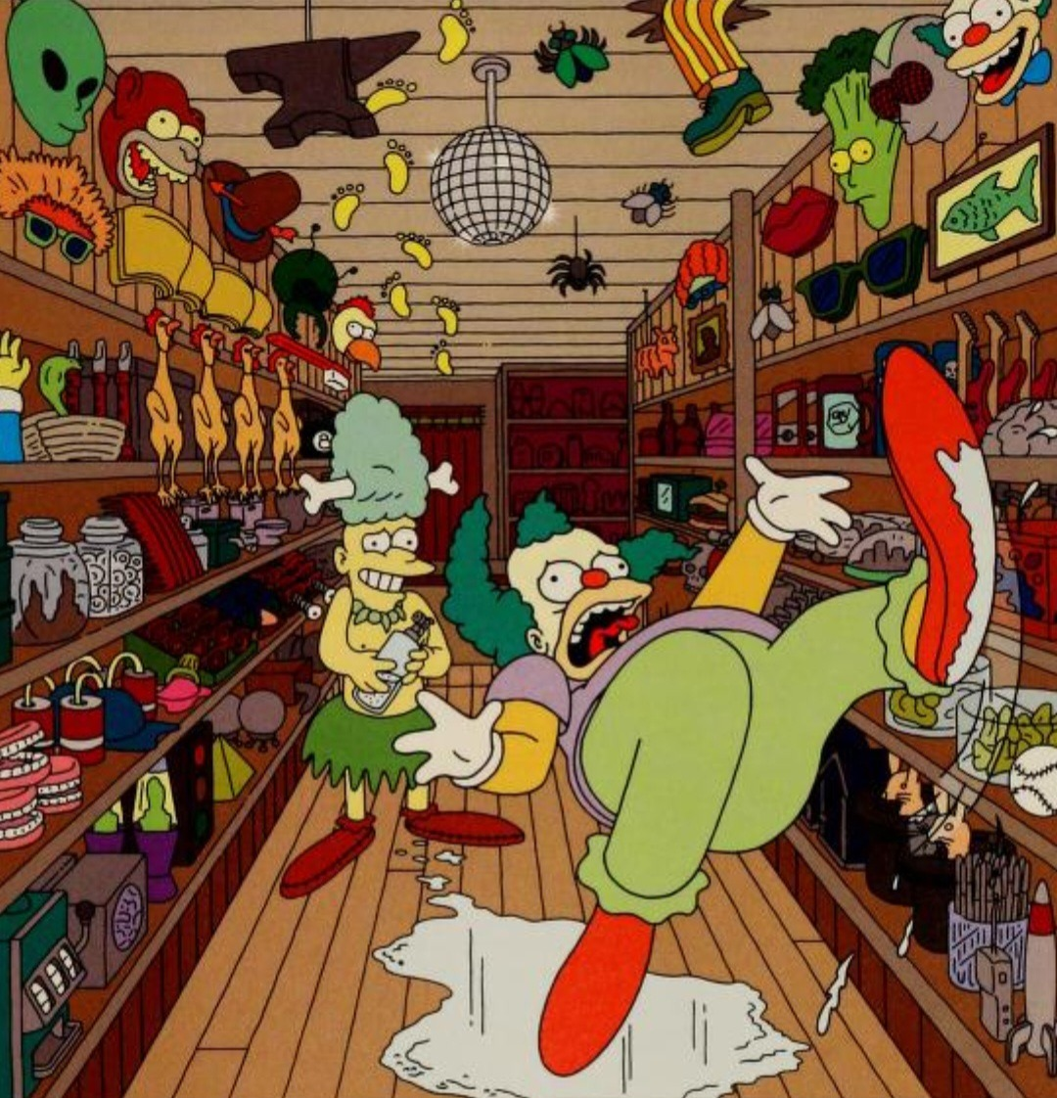
When do people get fired? |  |  |  |  |  |  |  |  |  |  |  |  | Home
Excel lacks built-in logistic regression, so we need to go through the steps manually 😓

 |  |  |  |  |  |  |  |  |  | Solver calculates regression coefficients.

 |  | Sleep | Duff | Cigarettes | Fired | Logit | Exp(Logit) | Probability | Log-Likelihood |  | Intercept | 5
 | Homer Simpson | 4 | 7 | 11 | 1 | 7.2 | 1339.4307644 | 0.99925397117 | -0.00074630725183 |  | Sleep | -0.7
 | Marge Simpson | 7 | 1 | 0 | 1 | 0.5 | 1.6487212707 | 0.6224593312 | -0.47407698418 |  | Duff | 0.4
 | Bart Simpson | 5 | 0 | 0 | 1 | 1.5 | 4.4816890703 | 0.81757447619 | -0.20141327798 |  | Cigarettes | 0.2
 | Lisa Simpson | 8 | 0 | 0 | 1 | -0.6 | 0.54881163609 | 0.35434369377 | -1.0374879505
 | Maggie Simpson | 9 | 0 | 0 | 1 | -1.3 | 0.27253179303 | 0.21416501696 | -1.5410084538
 | Abe Simpson | 6 | 2 | 4 | 0 | 2.4 | 11.023176381 | 0.91682730351 | -2.4868361522 |  | Total Log-Likelihood
 | Mr Burns | 6 | 2 | 7 | 1 | 3 | 20.085536923 | 0.95257412682 | -0.048587351574 |  | -49.48946999
 | Smithers | 7 | 0 | 1 | 0 | 0.3 | 1.3498588076 | 0.57444251681 | -0.85435524447
 | Ned Flanders | 8 | 0 | 1 | 1 | -0.4 | 0.67032004604 | 0.40131233989 | -0.9130152524
 | Maude Flanders | 8 | 2 | 2 | 1 | 0.6 | 1.8221188004 | 0.64565630623 | -0.43748795049
 | Rod Flanders | 7 | 0 | 0 | 0 | 0.1 | 1.1051709181 | 0.52497918748 | -0.74439666007
 | Todd Flanders | 7 | 0 | 0 | 1 | 0.1 | 1.1051709181 | 0.52497918748 | -0.64439666007
 | Milhouse Van Houten | 5 | 0 | 0 | 0 | 1.5 | 4.4816890703 | 0.81757447619 | -1.701413278
 | Nelson Muntz | 5 | 0 | 0 | 0 | 1.5 | 4.4816890703 | 0.81757447619 | -1.701413278
 | Ralph Wiggum | 5 | 0 | 0 | 1 | 1.5 | 4.4816890703 | 0.81757447619 | -0.20141327798
 | Apu Nahasapeemapetilon | 8 | 1 | 0 | 1 | -0.2 | 0.81873075308 | 0.45016600269 | -0.79813886938
 | Moe Szyslak | 4 | 6 | 5 | 0 | 5.6 | 270.42640743 | 0.9963157601 | -5.6036910434
 | Barney Gumble | 5 | 9 | 8 | 1 | 6.7 | 812.40582517 | 0.99877060138 | -0.0012301549517
 | Krusty the Clown | 6 | 4 | 1 | 1 | 2.6 | 13.463738035 | 0.93086157966 | -0.071644691968
 | Chief Wiggum | 4 | 11 | 9 | 1 | 8.4 | 4447.0667477 | 0.99977518323 | -0.00022484204531
 | Dr Hibbert | 9 | 1 | 1 | 1 | -0.7 | 0.49658530379 | 0.33181222783 | -1.1031860489
 | Principal Skinner | 8 | 0 | 2 | 1 | -0.2 | 0.81873075308 | 0.45016600269 | -0.79813886938
 | Edna Krabappel | 7 | 1 | 1 | 1 | 0.7 | 2.0137527075 | 0.66818777217 | -0.40318604889
 | Comic Book Guy | 7 | 2 | 5 | 1 | 1.9 | 6.6858944423 | 0.86989152564 | -0.13938675828
 | Groundskeeper Willie | 6 | 2 | 3 | 1 | 2.2 | 9.0250134994 | 0.90024951088 | -0.10508331977
 | Reverend Lovejoy | 7 | 1 | 2 | 1 | 0.9 | 2.4596031112 | 0.71094950263 | -0.34115387473
 | Patty Bouvier | 6 | 3 | 5 | 0 | 3 | 20.085536923 | 0.95257412682 | -3.0485873516
 | Selma Bouvier | 6 | 1 | 5 | 0 | 2.2 | 9.0250134994 | 0.90024951088 | -2.3050833198
 | Sideshow Bob | 6 | 3 | 2 | 0 | 2.4 | 11.023176381 | 0.91682730351 | -2.4868361522
 | Troy McClure | 8 | 2 | 2 | 0 | 0.6 | 1.8221188004 | 0.64565630623 | -1.0374879505
 | Lenny Leonard | 6 | 2 | 2 | 1 | 2 | 7.3890560989 | 0.88079707798 | -0.12692801104
 | Carl Carlson | 6 | 4 | 3 | 1 | 3 | 20.085536923 | 0.95257412682 | -0.048587351574
 | Otto Mann | 4 | 9 | 5 | 0 | 6.8 | 897.84729165 | 0.99888746397 | -6.8011131554
 | Disco Stu | 5 | 9 | 4 | 1 | 5.9 | 365.03746787 | 0.99726803924 | -0.0027356993785
 | Snake Jailbird | 5 | 9 | 14 | 1 | 7.9 | 2697.2823283 | 0.99962939386 | -0.00037067483205
 | Kent Brockman | 8 | 1 | 1 | 1 | 3.8857805862E-16 | 1 | 0.5 | -0.69314718056
 | Dr Nick Riviera | 4 | 10 | 13 | 1 | 8.8 | 6634.2440063 | 0.99984928964 | -0.00015072171601
 | Agnes Skinner | 6 | 3 | 4 | 1 | 2.8 | 16.444646771 | 0.9426758241 | -0.059032826288
 | Helen Lovejoy | 9 | 2 | 0 | 0 | -0.5 | 0.60653065971 | 0.3775406688 | -0.47407698418
 | Cletus Spuckler | 4 | 7 | 9 | 0 | 6.8 | 897.84729165 | 0.99888746397 | -6.8011131554
 | Brandine Spuckler | 5 | 7 | 3 | 1 | 4.9 | 134.28977968 | 0.99260845866 | -0.0074189941487
 | Jasper Beardly | 7 | 4 | 1 | 1 | 1.9 | 6.6858944423 | 0.86989152564 | -0.13938675828
 | Kirk Van Houten | 5 | 9 | 13 | 1 | 7.7 | 2208.3479919 | 0.99954737778 | -0.0004527246876
 | Luann Van Houten | 6 | 1 | 4 | 0 | 2 | 7.3890560989 | 0.88079707798 | -2.126928011
 | Gil Gunderson | 4 | 9 | 4 | 1 | 6.6 | 735.09518924 | 0.99864148005 | -0.0013594435753
 | Hans Moleman | 5 | 5 | 9 | 1 | 5.3 | 200.33680997 | 0.99503319835 | -0.0049791772043
 | Rainier Wolfcastle | 8 | 1 | 2 | 1 | 0.2 | 1.2214027582 | 0.54983399731 | -0.59813886938
 | Mayor Quimby | 6 | 1 | 4 | 1 | 2 | 7.3890560989 | 0.88079707798 | -0.12692801104
 | Lionel Hutz | 6 | 7 | 9 | 1 | 5.4 | 221.4064162 | 0.99550372684 | -0.0045064117992
 | Martin Prince | 9 | 0 | 0 | 0 | -1.3 | 0.27253179303 | 0.21416501696 | -0.24100845383

Survival_Analysis

When do people get fired? |  |  |  |  |  | Home
Excel lacks built-in survival analysis, so Kaplan-Meier needs to be manually calculated step-by-step 😭

 | Time | At risk | Events | Step | S(t)
 | 5 | 50 | 0 | 1 | 1
 | 10 | 50 | 0 | 1 | 1
 | 15 | 47 | 1 | 0.97872340426 | 0.97872340426
 | 20 | 40 | 0 | 1 | 0.97872340426
 | 25 | 36 | 3 | 0.91666666667 | 0.89716312057
 | 30 | 22 | 1 | 0.95454545455 | 0.85638297872
 | 35 | 16 | 0 | 1 | 0.85638297872
 | 40 | 13 | 0 | 1 | 0.85638297872
 | 45 | 1 | 0 | 1 | 0.85638297872

 |  |  |  | This is missing a step to fix the step-wise lines.

